Table 18
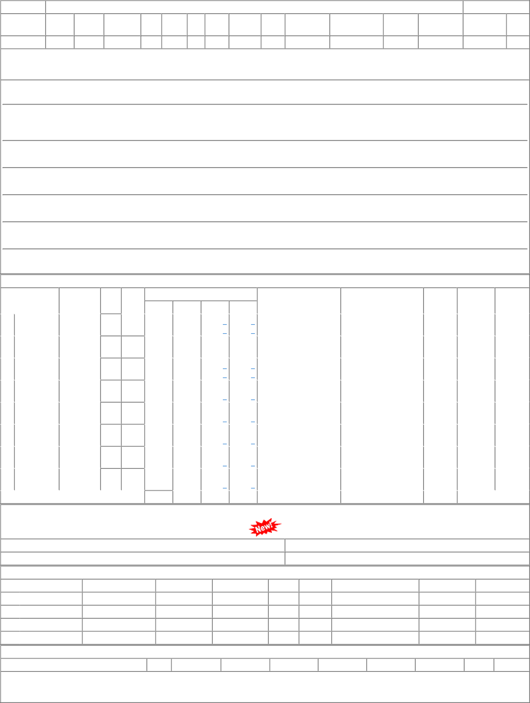
NO COVERAGE FOR THIS ITEM

